Sheet1
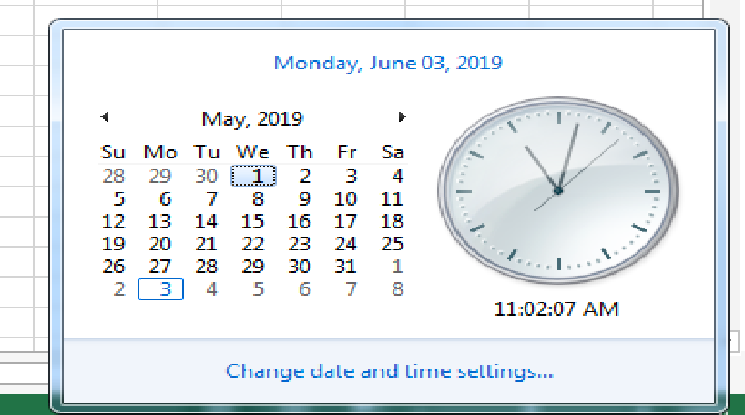
Thứ | Ngày tháng 5
3.6 | 7.14.21.28.3.10.17.24.31
4.7 | 1.8.15.22.29.4.11.18.25
5 | 2.9.16.23.30
3.7 | 7.14.21.28.4.11.18.25
7 | 4.11.18.25
5.CN | 2.9.16.23.30.5.12.19.26
4 | 1.8.15.22.29
4.CN | 1.8.15.22.29.5.12.19.26
5.7 | 2.9.16.23.30.4.11.18.25
4.6 | 1.8.15.22.29
CN.6 | 5.12.19.26.3.10.17.24.31
6 | 3.10.17.24.31
3.4 | 7.14.21.28.1.8.15.22.29
3 | 7.14.21.28
3.CN | 7.14.21.28.5.12.19.26
CN | 5.12.19.26
3.5 | 7.14.21.28.2.9.16.23.30
3.5.7 | 7.14.21.28.2.9.16.23.30.4.11.18.25
7.CN | 4.11.18.25.5.12.19.26
5.6 | 2.9.16.23.30.3.10.17.24.31

